Wal Mart Cash Flows
Created by EDGAR Online, Inc.

 | Chapter Eleven Illustration
 | Walmart

WALMART INC.
CASH_FLOW
Form Type: 10-K
Period End: Jan 31, 1998
Through Period Ended: January 31, 2020

 | Walmart Inc.
 | Consolidated Statements of Cash Flows

 | (Amounts in millions) | 1998 | 1999 | 2000 | 2001 | 2002 | 2003 | 2004 | 2005 | 2006 | 2007 | 2008 | 2009 | 2010 | 2011 | 2012 | 2013 | 2014 | 2015 | 2016 | 2017 | 2018 | 2019 | 2020
 | Cash flows from operating activities:
 | Consolidated net income | $3,526 | $4,430 | $5,377 | $6,295 | $6,448 | $7,818 | $8,861 | $10,267 | $11,231 | $11,284 | $12,731 | $13,400 | $14,883 | $16,993 | $16,387 | $17,756 | $16,695 | $17,099 | $15,080 | $14,293 | $10,523 | $7,179 | $15,201
 | Adjustments to reconcile consolidated net
 | income to net cash provided by operating
 | activities:
 | Depreciation and amortization | 1,634 | 1,872 | 2,375 | 2,868 | 3,228 | 3,364 | 3,852 | 4,264 | 4,717 | 5,459 | 6,317 | 6,739 | 7,157 | 7,641 | 8,130 | 8,478 | 8,870 | 9,173 | 9,454 | 10,080 | 10,529 | 10,678 | 10,987
 | Unrealized (gains) and losses |  |  |  |  |  |  |  |  |  |  |  |  |  |  |  |  |  |  |  | - | - | 3,516 | -1886
 | (Gains) and losses for disposal of business |  |  |  |  |  |  |  |  |  |  |  |  |  |  |  |  |  |  |  | - | - | 4,850 | 15.00
 | Pension Fund Contribution |  |  |  |  |  |  |  |  |  |  |  |  |  |  |  |  |  |  |  |  |  |  | -1036
 | Deferred income taxes | 20 | (640) | (138) | 342 | 140 | 474 | 177 | 263 | (129) | 89 | (8) | 581 | (504) | 651 | 1,050 | (133) | (279) | (503) | (672) | 761 | (304) | (499) | 320
 | Loss on extinguishment of debt |  |  |  |  |  |  |  |  |  |  |  |  |  |  |  |  |  |  |  | - | 3,136 | -
 | Other operating activities | 9 | 78 | 59 | 244 | 468 | 709 | 173 | 378 | 620 | 1,311 | 910 | 1,268 | 318 | 1,087 | 398 | 602 | 938 | 785 | 1,410 | 206 | 1,210 | 1,734 | 1,981
 | Changes in certain assets and liabilities, net
 | of effects of acquisitions:
 | Receivables, net | (78) | (148) | (255) | (422) | (212) | (159) | 373 | (304) | (456) | (214) | (564) | (101) | (297) | (733) | (796) | (614) | (566) | (569) | (19) | (402) | (1,074) | (368) | 154
 | Inventories | (365) | (379) | (2,088) | (1,795) | (1,125) | (2,219) | (1,973) | (2,494) | (1,733) | (1,274) | (775) | (220) | 2,213 | (3,205) | (3,727) | (2,759) | (1,667) | (1,229) | (703) | 1,021 | (140) | (1,311) | (300)
 | Accounts payable | 1,048 | 1,108 | 1,849 | 2,061 | 416 | 1,848 | 2,587 | 1,694 | 2,390 | 2,132 | 865 | (410) | 1,052 | 2,676 | 2,687 | 1,061 | 531 | 2,678 | 2,008 | 3,942 | 4,086 | 1,831 | (274) | FYE 2001 - 2020
 | Accrued liabilities | 1,329 | 1,259 | 1,015 | 11 | 1,120 | 1,088 | 1,896 | 976 | 993 | 588 | 1,034 | 2,036 | 1,348 | (433) | 59 | 271 | 103 | 1,249 | 1,466 | 1,280 | 928 | 183 | 186 | 20 Years
 | Accrued income taxes |  |  |  |  |  |  |  |  |  |  |  |  |  |  |  | 981 | (1,224) | 166 | (472) | 492 | (557) | (40) | (93) | Cash Flow | Ave. Ann. | Growth Rate
 | Net cash provided by operating activities | 7,123 | 7,580 | 8,194 | 9,604 | 10,519 | 13,005 | 15,996 | 15,044 | 17,633 | 20,235 | 20,642 | 23,147 | 26,249 | 23,643 | 24,255 | 25,591 | 23,257 | 28,564 | 27,552 | 31,673 | 28,337 | 27,753 | 25,255 | 437,954 | 26,687 | Median | Average
 |  |  | 6.4% | 8.1% | 17.2% | 9.5% | 23.6% | 23.0% | -6.0% | 17.2% | 14.8% | 2.0% | 12.1% | 13.4% | -9.9% | 2.6% | 5.5% | -9.1% | 22.8% | -3.5% | 15.0% | -10.5% | -2.1% | -9.0% |  |  | 8.1% | 7.2%
 | Cash flows from investing activities: |  |  |  |  |  |  |  |  |  |  |  |  |  |  |  |  |  |  |  |  |  |  |  | PP&E
 | Payments for property and equipment | (2,636) | (3,734) | (6,183) | (8,042) | (8,285) | (9,245) | (10,308) | (12,893) | (14,563) | (15,666) | (14,937) | (11,499) | (12,184) | (12,699) | (13,510) | (12,898) | (13,115) | (12,174) | (11,477) | (10,619) | (10,051) | (10,344) | (10,705) | (224,173)
 | Proceeds from the disposal of property and |  |  |  | 284 |  |  | 481 | 953 | 1,049 | 394 | 957 | 714 | 1,002 | 489 | 580 | 532 | 727 | 570 | 635 | 456 | 378 | 519 | 321
 | equipment |  |  |  |  |  |  |  |  |  |  |  |  |  |  |  |  |  |  |  |  |  |  |  | Acquisitions
 | Proceeds from the disposal of certain |  |  |  | (627) | 248 | 311 | 1,500 | - | - | 610 | (257) | 838 |  |  |  | - | - | 671 | 246 | 662 | 1,046 | 876 | 833 | (28,649)
 | operations |  |  |  |  |  |  |  |  |  |  |  |  | (438) | 219 | (131)
 | Purchase of available for sale securities |  |  |  |  |  |  |  |  |  |  |  |  |  |  |  |  |  |  | - | (1,901) | - | -
 | Payments for business acquisitions, net of cash |  |  |  |  |  |  |  |  |  |  |  |  |  |  |  |  |  |  | - | (2,463) | (375) | (14,656) | (56)
 | acquired | (1,865) | (855) | (10,419) |  | - | (749) | (38) | (315) | (601) | (68) | (1,338) | (1,576) | - | (202) | (3,548) |  |  |  | (79)
 | Other investing activities | 80 | 171 | (244) | (329) | 903 | (73) | 78 | (96) | (68) | 223 | (95) | 781 |  |  |  | (271) | (138) | (192) |  | (31) | (77) | (431) | 479
 | Net cash used in investing activities | (4,421) | (4,418) | (16,846) | (8,714) | (7,223) | (9,839) | (8,312) | (12,351) | (14,183) | (14,463) | (15,670) | (10,742) | (11,620) | (12,193) | (16,609) | (12,637) | (12,526) | (11,125) | (10,675) | (13,896) | (9,079) | (24,036) | (9,128)

 | Cash flows from financing activities:
 | Net change in short-term borrowings | - | - | 4,316 | (2,022) | (1,533) | 1,836 | 688 | 544 | (704) | (1,193) | 2,376 | (3,745) | (1,033) | 503 | 3,019 | 2,754 | 911 | (6,288) | 1,235 | (1,673) | 4,148 | (53) | (4,656) | Net
 | Proceeds from issuance of long-term debt | 547 | 536 | 6,000 | 3,778 | 4,591 | 2,044 | 4,099 | 5,832 | 7,691 | 7,199 | 11,167 | 6,566 | 5,546 | 11,396 | 5,050 | 211 | 7,072 | 5,174 | 39 | 137 | 7,476 | 15,872 | 5,492 | Brrowings
 | Repayments of long-term debt | (648) | (1,176) | (996) | (1,692) | (3,686) | (1,477) | (3,846) | (2,335) | (2,969) | (6,098) | (9,066) | (5,739) | (6,379) | (4,443) | (4,939) | (1,478) | (4,968) | (3,904) | (4,432) | (2,055) | (13,061) | (3,784) | (1,907) | 20,229.00
 | Premiums paid to extinguish debt |  |  |  |  |  |  |  |  |  |  |  |  |  |  |  |  |  |  | - | - | (3,059) | -
 | Dividends paid | (611) | (693) | (890) | (1,070) | (1,249) | (1,328) | (1,569) | (2,214) | (2,511) | (2,802) | (3,586) | (3,746) | (4,217) | (4,437) | (5,048) | (5,361) | (6,139) | (6,185) | (6,294) | (6,216) | (6,124) | (6,102) | (6,048) | Stock Repurchases
 | Purchase of Company stock | (1,569) | (1,202) | (101) | 388 | (1,214) | (3,383) | (5,046) | (4,549) | (3,580) | (1,718) | (7,691) | (3,521) | (7,276) | (14,776) | (6,298) | (7,600) | (6,683) | (1,015) | (4,112) | (8,298) | (8,296) | (7,410) | (5,717) | (107,795)
 | Dividends paid to noncontrolling interest |  |  |  |  |  |  |  |  |  |  |  |  | (436) | 0 | 0 | (282) | (426) | (600) | (719) | (479) | (690) | (431) | (555)
 | Purchase of noncontrolling interest |  |  |  |  |  |  |  |  |  |  |  |  |  |  |  | (132) | (296) | (1,844) | (1,326) | (90) | (8) | - |  | Dividends
 | Other financing activities | 143 | (195) | 300 | 176 | 113 | (62) | 111 | 113 | (349) | (510) | (622) | 267 | (396) | (271) | (242) | (58) | (260) | (409) | (676) | (398) | (261) | (629) | (908) | (86,864)
 | Net cash used in financing activities | (2,138) | (2,730) | 8,629 | (442) | (2,978) | (2,370) | (5,563) | (2,609) | (2,422) | (5,122) | (7,422) | (9,918) | (14,191) | (12,028) | (8,458) | (11,946) | (10,789) | (15,071) | (16,285) | (19,072) | (19,875) | (2,537) | (14,299)

 | Effect of exchange rates on cash, cash |  |  |  | (250) | (211) | (199) | 320 | 205 | (102) | 97 | 252 | (781) | 194 | 66 | (33) | 223 | (442) | (514) | (1,022) | (452) | 487 | (438) | (69)
 | equivalents and restricted cash

 | Net increase (decrease) in cash, cash | 564 | 432 | (23) | 198 | 107 | 597 | 2,441 | 289 | 926 | 747 | (2,198) | 1,706 | 632 | (512) | (845) | 1,231 | (500) | 1,854 | (430) | (1,747) | (130) | 742 | 1,759
 | equivalents and restricted cash
 | Cash, cash equivalents and restricted cash at | 883 | 1,447 | 1,879 | 1,856 | 2,054 | 2,161 | 2,758 | 5,199 | 5,488 | 7,020 | 7,767 | 5,569 | 7,275 | 7,907 | 7,395 | 6,550 | 7,781 | 7,281 | 9,135 | 8,891 | 7,144 | 7,014 | 7,756
 | beginning of year
 | Cash, cash equivalents and restricted cash at | $1,447 | $1,879 | $1,856 | $2,054 | $2,161 | $2,758 | $5,199 | $5,488 | $6,414 | $7,767 | $5,569 | $7,275 | $7,907 | $7,395 | $6,550 | $7,781 | $7,281 | $9,135 | $8,705 | $7,144 | $7,014 | $7,756 | $9,515
 | end of period

 | Supplemental disclosure of cash flow
 | information:
 | Income taxes paid | $1,971 | $3,458 | $2,780 | $3,509 | $2,613 | $4,539 | $4,538 | $5,593 | $5,962 | $6,665 | $6,299 | $6,596 | $7,389 | $6,984 | $5,899 | 8,641 | 8,169 | 7,304 | 8,111 | 4,507 | 6,179 | 3,982 | 3,616
 | Interest paid | 796 | 805 | 849 | 1,319 | 1,332 | 1,085 | 1,024 | 1,163 | 1,390 | 1,553 | 1,622 | 1,787 | 2,141 | 2,163 | 2,346 | 2,362 | 2,433 | 2,262 | 2,540 | 2,351 | 2,450 | 2,348 | 2,464

 | Chart Data

 |  | 1998 | 1999 | 2000 | 2001 | 2002 | 2003 | 2004 | 2005 | 2006 | 2007 | 2008 | 2009 | 2010 | 2011 | 2012 | 2013 | 2014 | 2015 | 2016 | 2017 | 2018 | 2019 | 2020
 | Net cash provided by operating activities | 7,123 | 7,580 | 8,194 | 9,604 | 10,519 | 13,005 | 15,996 | 15,044 | 17,633 | 20,235 | 20,642 | 23,147 | 26,249 | 23,643 | 24,255 | 25,591 | 23,257 | 28,564 | 27,552 | 31,673 | 28,337 | 27,753 | 25,255
 | Net Real Estate and Other Investment Activity | 4,421 | 4,418 | 16,846 | 8,714 | 7,134 | 9,756 | 8,287 | 12,351 | 14,183 | 14,507 | 15,670 | 10,742 | 11,620 | 12,193 | 16,609 | 12,637 | 12,526 | 11,125 | 10,675 | 13,896 | 9,079 | 24,036 | 9,128

 |  | 1998 | 1999 | 2000 | 2001 | 2002 | 2003 | 2004 | 2005 | 2006 | 2007 | 2008 | 2009 | 2010 | 2011 | 2012 | 2013 | 2014 | 2015 | 2016 | 2017 | 2018 | 2019 | 2020
 | Net cash provided by operating activities | 7,123 | 14,703 | 22,897 | 32,501 | 43,020 | 56,025 | 72,021 | 87,065 | 104,698 | 124,933 | 145,575 | 168,722 | 194,971 | 218,614 | 242,869 | 268,460 | 291,717 | 320,281 | 347,833 | 379,506 | 407,843 | 435,596 | 460,851
 | Net Real Estate and Other Investment Activity | 4,421 | 8,839 | 25,685 | 34,399 | 41,533 | 51,289 | 59,576 | 71,927 | 86,110 | 100,617 | 116,287 | 127,029 | 138,649 | 150,842 | 167,451 | 180,088 | 192,614 | 203,739 | 214,414 | 228,310 | 237,389 | 261,425 | 270,553

Cumulative Reinvested Cash Flows
Annual

Walmart EMVA
WALMART INC.
CASH_FLOW
Form Type: 10-K
Period End: Jan 31, 1999
Through Period Ended: January 31, 2020

 | Walmart Inc.
 | Consolidated Balance Sheet

 |  | (Amounts in millions) | 1999 | 2000 | 2001 | 2002 | 2003 | 2004 | 2005 | 2006 | 2007 | 2008 | 2009 | 2010 | 2011 | 2012 | 2013 | 2014 | 2015 | 2016 | 2017 | 2018 | 2019 | 2020

 |  | Total Assets | 49996 | 70349 | 78130 | 83451 | 94808 | 104912 | 120154 | 138187 | 151587 | 163514 | 163429 | 170706 | 180782 | 193406 | 203105 | 204751 | 203490 | 199581 | 198825 | 204522 | 219295 | 236495
 |  | Capital Lease | 3335 | 4285 | 4620 | 4626 | 4814 | 5092 | 4556 | 5578 | 5392 | 5736 | 5341 | 5669 | 5905 | 5936 | 5899 | 5589 | 5239 | 11096 | 11637 | 12703
 |  | Operating ROU |  |  |  |  |  |  |  |  |  |  |  |  |  |  |  |  |  |  |  |  |  | 17424
 |  | Financing ROU |  |  |  |  |  |  |  |  |  |  |  |  |  |  |  |  |  |  |  |  |  | 4417

 |  | Accumulated Depreciation | 7455 | 8224 | 10196 | 11436 | 13116 | 15584 | 18637 | 21427 | 24408 | 28773 | 32964 | 38304 | 43486 | 45399 | 51896 | 57725 | 63115 | 66787 | 71782 | 77479 | 104317 | 105208
 |  | Capital Lease Depreciation | 1036 | 1155 | 1303 | 1432 | 1610 | 1763 | 1838 | 2163 | 2342 | 2594 | 2544 | 2906 | 3125 | 3215 | 3147 | 3046 | 5455 | 6131 | 5169 | 5560

 |  | Operating Lease |  |  |  |  |  |  |  |  |  |  |  |  |  |  |  |  |  |  |  |  |  | 17964
 |  | Financing Lease |  |  |  |  |  |  |  |  |  |  |  |  |  |  |  |  |  |  |  |  |  | 4818

 |  | Current Liabilities | 16762 | 25803 | 28949 | 27282 | 32519 | 37418 | 43182 | 48826 | 52148 | 58454 | 55390 | 55561 | 58603 | 62300 | 71818 | 69345 | 65253 | 64619 | 66928 | 78521 | 77477 | 77790
 |  | Long Term Debt | 6908 | 13672 | 12501 | 15687 | 16597 | 17102 | 20087 | 26429 | 27222 | 29799 | 31349 | 33231 | 40692 | 44070 | 38394 | 41771 | 40889 | 38214 | 36015 | 30045 | 43520 | 43714
 |  | Long Term Capital Lease | 2699 | 3002 | 3154 | 3045 | 3000 | 2997 | 3171 | 3742 | 3513 | 3603 | 3200 | 3170 | 3150 | 3009 | 3023 | 2788 | 2606 | 5816 | 6003 | 6780 | 6683
 |  | Deferred Taxes and Other | 716 | 759 | 1043 | 1128 | 1859 | 2288 | 2978 | 4552 | 4971 | 5111 | 6014 | 5508 | 6682 | 7862 | 7613 | 8017 | 8805 | 7321 | 9344 | 8354
 |  | Minority Interest | 1799 | 1279 | 1140 | 1207 | 1362 | 1484 | 1340 | 1467 | 2160 | 1939
 |  | Redeemable Non-Controlling Interest |  |  |  |  |  |  |  |  |  |  | 397 | 307 | 408 | 404

 |  | Equity at Cost | 29,603 | 35,213 | 42,842 | 47,970 | 54,197 | 60,970 | 69,871 | 76,761 | 88,323 | 95,975 | 102,587 | 114,139 | 117,858 | 124,375 | 137,300 | 143,601 | 154,507 | 156,529 | 157,486 | 163,861 | 195,932 | 202,775
 |  |  |  |  |  |  |  |  |  |  |  |  |  |  |  |  |  |  |  |  |  |  |  |  | Shares Repurchased | ($000,000's)
 |  | Share Count @ ~ March 31 | 4,449,818,854 | 4,454,034,171 | 4,470,462,986 | 4,451,225,876 | 4,385,693,565 | 4,296,710,566 | 4,233,002,095 | 4,167,233,525 | 4,124,451,341 | 3,954,458,057 | 3,915,118,871 | 3,759,007,514 | 3,491,198,520 | 3,404,538,468 | 3,292,443,366 | 3,229,175,401 | 3,226,062,652 | 3,144,335,104 | 3,033,009,079 | 2,950,696,818 | 2,869,684,230 | 2,832,277,220 | 2020 vs 2001 | Walmart Equity Market Value Added Change | FY 2001 - FY 2020
 |  | Share Count Check | 4,449,818,854 | 4,454,034,171 | 4,470,462,986 | 4,451,225,876 | 4,385,693,565 | 4,296,710,566 | 4,233,002,095 | 4,167,233,525 | 4,124,451,341 | 3,954,458,057 | 3,915,118,871 | 3,759,007,514 | 3,491,198,520 | 3,404,538,468 | 3,292,443,366 | 3,229,175,401 | 3,226,062,652 | 3,144,335,104 | 3,033,009,079 | 2,950,696,818 | 2,869,684,230 |  | -36.6%
 |  | Share Price | 46.09 | 56.50 | 50.50 | 61.30 | 52.03 | 59.56 | 51.17 | 47.76 | 46.21 | 53.23 | 52.57 | 50.92 | 55.51 | 60.65 | 74.28 | 74.77 | 82.53 | 68.12 | 70.74 | 87.77 | 98.32 | 114.49 | Equity Market Cap. | Cash Flow from Operations | $437,954
 |  |  |  |  |  |  |  |  |  |  |  |  |  |  |  |  |  |  |  |  |  |  |  |  | 2020 vs 2001 | Less: Stock Repurchased | (107,795)
 |  | Equity Capitalization | $205,109 | $251,653 | $225,758 | $272,860 | $228,188 | $255,912 | $216,603 | $199,027 | $190,591 | $210,496 | $205,818 | $191,409 | $193,796 | $206,485 | $244,563 | $241,445 | $266,247 | $214,192 | $214,555 | $258,983 | $282,147 | $324,267 | $98,509 | Less: Dividends Paid | (86,864) | Change in Equity Cap.
 |  |  |  |  |  |  |  |  |  |  |  |  |  |  |  |  |  |  |  |  |  |  |  |  | 43.6% | Equals Equity Cash Reinvested In Business | $243,295 | As % of Cash Reinvested
 |  | EMVA | $175,506 | $216,440 | $182,916 | $224,890 | $173,991 | $194,942 | $146,732 | $122,266 | $102,268 | $114,521 | $103,231 | $77,270 | $75,938 | $82,110 | $107,263 | $97,844 | $111,740 | $57,663 | $57,069 | $95,122 | $86,215 | $121,492 |  | Less: Actual Increase in Equity Market Valuation | (98,509) |  | 40.49%
 |  |  | 592.9% | 614.7% | 427.0% | 468.8% | 321.0% | 319.7% | 210.0% | 159.3% | 115.8% | 119.3% | 100.6% | 67.7% | 64.4% | 66.0% | 78.1% | 68.1% | 72.3% | 36.8% | 36.2% | 58.1% | 44.0% | 59.9% |  | Equals Market Value Lost | $144,786 | EMVA Gained (Lost)
 |  |  |  |  |  |  |  |  |  |  |  |  |  |  |  |  |  |  |  |  |  |  |  |  |  |  |  |  | -59.51%

 |  | Chart Data |  |  |  |  |  |  |  |  |  |  |  |  |  |  |  |  |  |  |  |  |  |  |  | EMVA Lost Computer From Balance Sheets
 |  |  | 2000 | 2001 | 2002 | 2003 | 2004 | 2005 | 2006 | 2007 | 2008 | 2009 | 2010 | 2011 | 2012 | 2013 | 2014 | 2015 | 2016 | 2017 | 2018 | 2019 | 2020 |  |  | Cash Flow Statement Difference
 |  | EMVA | $216,440 | $182,916 | $224,890 | $173,991 | $194,942 | $146,732 | $122,266 | $102,268 | $114,521 | $103,231 | $77,270 | $75,938 | $82,110 | $107,263 | $97,844 | $111,740 | $57,663 | $57,069 | $95,122 | $86,215 | $121,492 |  |  |  | ($61,424)
 |  | EMVA/Equity at Cost | 614.7% | 427.0% | 468.8% | 321.0% | 319.7% | 210.0% | 159.3% | 115.8% | 119.3% | 100.6% | 67.7% | 64% | 66% | 78% | 68% | 72% | 37% | 36% | 58% | 44% | 60% |  |  | The cash flow statement exceeds the balance sheet computation for two principle reasons: | ($37,085)
 |  |  |  |  |  |  |  |  |  |  |  |  |  |  |  |  |  |  |  | A Twenty Year Look |  |  |  |  |  | 1. The shares reurchased over 20 years were acquired for in excess of their cost, thereby diminishing company EMVA.
Walmart EMVA and EMVA/Equity at Cost
 |  |  |  |  |  |  |  |  |  |  |  |  |  |  |  |  |  |  |  | Change in Equity Market Capitalization |  |  | $30,494 |  |  | 2. Occasional asset impairments reduce the stated costs of assets.
 |  |  |  |  |  |  |  |  |  |  |  |  |  |  |  |  |  |  |  | Change in EMVA |  |  | ($61,424)

Walmart Share History
Date | Open | High | Low | Close | Adj Close | Volume |  | Share Count | Shares Bought In | Equity Valuation | Closing Price
1998-12-31 | 40.09375 | 40.75 | 39.78125 | 40.71875 | 28.159389 | 5282200 | 1999-03-31 | 4,449,818,854 |  | 205,108,838 | 46.09
1999-01-04 | 40.8125 | 41.125 | 39.78125 | 40.3125 | 27.87845 | 7332600 | 1999-04-30 | 4,450,133,947 | 315,093 | 204,706,162 | 46.00
1999-01-05 | 40.625 | 40.9375 | 40.25 | 40.625 | 28.094549 | 5749000 | 1999-07-30 | 4,448,731,409 | -1,402,538 | 187,958,902 | 42.25
1999-01-06 | 41.0625 | 41.5625 | 40.5625 | 41.3125 | 28.570015 | 7705200 | 1999-10-29 | 4,453,743,366 | 5,011,957 | 250,801,423 | 56.31
1999-01-07 | 41.8125 | 42.53125 | 41.625 | 42.0625 | 29.088682 | 9254600 | 2000-03-31 | 4,454,034,171 | 290,805 | 251,652,931 | 56.50
1999-01-08 | 42 | 42.21875 | 41.25 | 41.75 | 28.872559 | 7174000 | 2000-04-28 | 4,464,876,693 | 10,842,522 | 247,242,547 | 55.38
1999-01-11 | 41.75 | 41.90625 | 40 | 40.8125 | 28.224228 | 6481400 | 2000-07-31 | 4,466,335,662 | 1,458,969 | 246,765,045 | 55.25
1999-01-12 | 40.1875 | 40.375 | 39.28125 | 40.1875 | 27.792006 | 8229200 | 2000-10-31 | 4,466,664,364 | 328,702 | 202,674,896 | 45.38
1999-01-13 | 39 | 40.875 | 38.6875 | 40.3125 | 27.87845 | 7274000 | 2001-03-30 | 4,470,462,986 | 3,798,622 | 225,758,381 | 50.50
1999-01-14 | 39.875 | 40.46875 | 38.9375 | 39.875 | 27.575891 | 7785400 | 2001-04-30 | 4,470,957,535 | 494,549 | 231,327,352 | 51.74
1999-01-15 | 39.90625 | 40.375 | 39.375 | 40.0625 | 27.705559 | 6961400 | 2001-07-31 | 4,466,960,022 | -3,997,513 | 249,703,074 | 55.90
1999-01-19 | 40.125 | 40.46875 | 39.125 | 40.03125 | 27.68395 | 5821200 | 2001-10-31 | 4,457,088,064 | -9,871,958 | 229,094,335 | 51.40
1999-01-20 | 40.03125 | 41.25 | 39.28125 | 40.125 | 27.748774 | 6802600 | 2002-03-28 | 4,451,225,876 | -5,862,188 | 272,860,142 | 61.30
1999-01-21 | 40.0625 | 40.6875 | 39.4375 | 39.53125 | 27.338171 | 5611600 | 2002-04-30 | 4,448,040,209 | -3,185,667 | 248,467,531 | 55.86
1999-01-22 | 39.53125 | 41.125 | 39.25 | 41 | 28.353876 | 5317800 | 2002-08-30 | 4,422,644,717 | -25,395,492 | 236,523,039 | 53.48
1999-01-25 | 40.90625 | 41.34375 | 39.9375 | 41 | 28.353876 | 6054000 | 2002-11-29 | 4,413,963,363 | -8,681,354 | 237,912,634 | 53.90
1999-01-26 | 41.46875 | 42.25 | 41.09375 | 41.78125 | 28.894173 | 6757000 | 2003-03-31 | 4,385,693,565 | -28,269,798 | 228,187,632 | 52.03
1999-01-27 | 42.09375 | 42.90625 | 42 | 42.59375 | 29.456064 | 9615200 | 2003-05-30 | 4,378,918,630 | -6,774,935 | 230,374,914 | 52.61
1999-01-28 | 42.625 | 42.71875 | 42.0625 | 42.5625 | 29.434444 | 5726800 | 2003-08-29 | 4,369,200,025 | -9,718,605 | 258,525,557 | 59.17
1999-01-29 | 43 | 43.21875 | 42.5 | 43 | 29.737013 | 5802400 | 2003-11-28 | 4,327,781,117 | -41,418,908 | 240,797,737 | 55.64
1999-02-01 | 42.875 | 42.875 | 42.15625 | 42.25 | 29.218355 | 5731000 | 2004-02-27 | 4,296,710,566 | -31,070,551 | 255,912,086 | 59.56
1999-02-02 | 41.5625 | 41.96875 | 40.375 | 41.8125 | 28.915792 | 7929400 | 2004-05-14 | 4,269,432,743 | -27,277,823 | 235,074,971 | 55.06
1999-02-03 | 41.90625 | 43.125 | 41.75 | 42.875 | 29.650557 | 7312800 | 2004-08-20 | 4,242,513,158 | -26,919,585 | 231,853,353 | 54.65
1999-02-04 | 43.15625 | 43.65625 | 41.875 | 41.875 | 28.959017 | 7244200 | 2004-11-23 | 4,234,867,066 | -7,646,092 | 235,670,361 | 55.65
1999-02-05 | 42.6875 | 42.875 | 41.375 | 42.125 | 29.131899 | 5272800 | 2005-03-21 | 4,233,002,095 | -1,864,971 | 216,602,709 | 51.17
1999-02-08 | 42.125 | 43.1875 | 41.625 | 42.71875 | 29.542511 | 4608200 | 2005-05-23 | 4,182,021,601 | -50,980,494 | 200,109,725 | 47.85
1999-02-09 | 42.5625 | 42.5625 | 40.90625 | 41.0625 | 28.397125 | 5561200 | 2005-08-25 | 4,162,697,163 | -19,324,438 | 188,528,559 | 45.29
1999-02-10 | 41 | 41.03125 | 40.25 | 40.46875 | 27.986502 | 5221400 | 2005-11-22 | 4,163,490,196 | 793,033 | 209,007,212 | 50.20
1999-02-11 | 40.5 | 42.96875 | 40.3125 | 42.90625 | 29.672184 | 5174000 | 2006-03-20 | 4,167,233,525 | 3,743,329 | 199,027,065 | 47.76
1999-02-12 | 42.90625 | 43.03125 | 41.5 | 42.1875 | 29.175138 | 5139000 | 2006-05-25 | 4,167,775,477 | 541,952 | 206,096,502 | 49.45
1999-02-16 | 42.75 | 44 | 42.75 | 43.78125 | 30.277317 | 11188000 | 2006-08-25 | 4,169,031,858 | 1,256,381 | 182,937,122 | 43.88
1999-02-17 | 43.34375 | 44.34375 | 42.53125 | 42.53125 | 29.412848 | 9659600 | 2006-11-24 | 4,168,025,494 | -1,006,364 | 199,648,429 | 47.90
1999-02-18 | 42.75 | 43.03125 | 42.09375 | 42.6875 | 29.520895 | 7021600 | 2007-03-16 | 4,124,451,341 | -43,574,153 | 190,590,892 | 46.21
1999-02-19 | 42.75 | 42.75 | 42.28125 | 42.375 | 29.304794 | 5647000 | 2007-05-24 | 4,108,777,695 | -15,673,646 | 191,674,488 | 46.65
1999-02-22 | 42.71875 | 44.21875 | 42.6875 | 44.125 | 30.515011 | 8827200 | 2007-10-24 | 4,068,226,506 | -40,551,189 | 178,473,093 | 43.87
1999-02-23 | 44.09375 | 44.28125 | 43.375 | 43.75 | 30.255674 | 6597200 | 2007-11-23 | 4,004,809,178 | -63,417,328 | 183,139,924 | 45.73
1999-02-24 | 44.09375 | 44.75 | 42.09375 | 42.28125 | 29.239946 | 7942600 | 2008-03-20 | 3,954,458,057 | -50,351,121 | 210,495,802 | 53.23
1999-02-25 | 42.5625 | 42.90625 | 41.78125 | 42.5 | 29.391237 | 7150200 | 2008-06-02 | 3,943,722,061 | -10,735,996 | 225,580,906 | 57.20
1999-02-26 | 43.125 | 43.25 | 41.84375 | 43.0625 | 29.780231 | 6884400 | 2008-08-29 | 3,933,976,378 | -9,745,683 | 232,379,985 | 59.07
1999-03-01 | 43.5625 | 43.59375 | 41.8125 | 42.9375 | 29.693783 | 6811400 | 2008-12-03 | 3,922,552,337 | -11,424,041 | 213,308,400 | 54.38
1999-03-02 | 43.375 | 43.6875 | 42.5625 | 42.71875 | 29.542511 | 6628200 | 2009-03-27 | 3,915,118,871 | -7,433,466 | 205,817,799 | 52.57
1999-03-03 | 43 | 44.15625 | 43 | 43.6875 | 30.212475 | 6846000 | 2009-06-03 | 3,896,617,746 | -18,501,125 | 198,259,915 | 50.88
1999-03-04 | 43.96875 | 44.8125 | 43.9375 | 44.6875 | 30.904013 | 7094600 | 2009-09-04 | 3,856,826,597 | -39,791,149 | 199,320,799 | 51.68
1999-03-05 | 46.5 | 47.125 | 45.6875 | 46.625 | 32.243912 | 16618400 | 2009-12-03 | 3,810,171,967 | -46,654,630 | 207,425,758 | 54.44
1999-03-08 | 47.0625 | 47.0625 | 45.90625 | 46.71875 | 32.30875 | 8813800 | 2010-03-26 | 3,759,007,514 | -51,164,453 | 208,662,500 | 55.51
...
 | Open | High | Low | Close | Adj Close | Volume |  | Share Count | Shares Bought In | Equity Valuation | Closing Price
 | 42.9375 | 43.1875 | 41.6875 | 42.375 | 29.335356 | 7335900 |  | Maint. CapEx,Remodels,Losses/Investment |  | 2% | 2%
 | 42.1875 | 43 | 41.5 | 42.9375 | 29.724747 | 8274100
 | 42.125 | 42.5 | 41 | 41.125 | 28.470009 | 7760600
 | 41.5625 | 42.875 | 41.3125 | 42.625 | 29.50843 | 5692700
 | 42.6875 | 43.4375 | 42.1875 | 43.4375 | 30.070894 | 6995500
 | 43.375 | 44.375 | 42.6875 | 44.375 | 30.719912 | 6623900
 | 45 | 46.1875 | 44.6875 | 45.5 | 31.498732 | 10474700 |  |  |  |  |  | 20-Year Annual Rate of Return | 5.74%
 | 46 | 46.5 | 45.5625 | 46 | 31.844852 | 5544400 |  |  |  |  |  | 20-Year Annnual Dividend Return | 2.17% | Total Rate of Return
 | 45.375 | 45.75 | 44.875 | 45.75 | 31.671793 | 4622700 |  |  |  |  |  | 20-Year Annual Price Appreciation | 3.57%
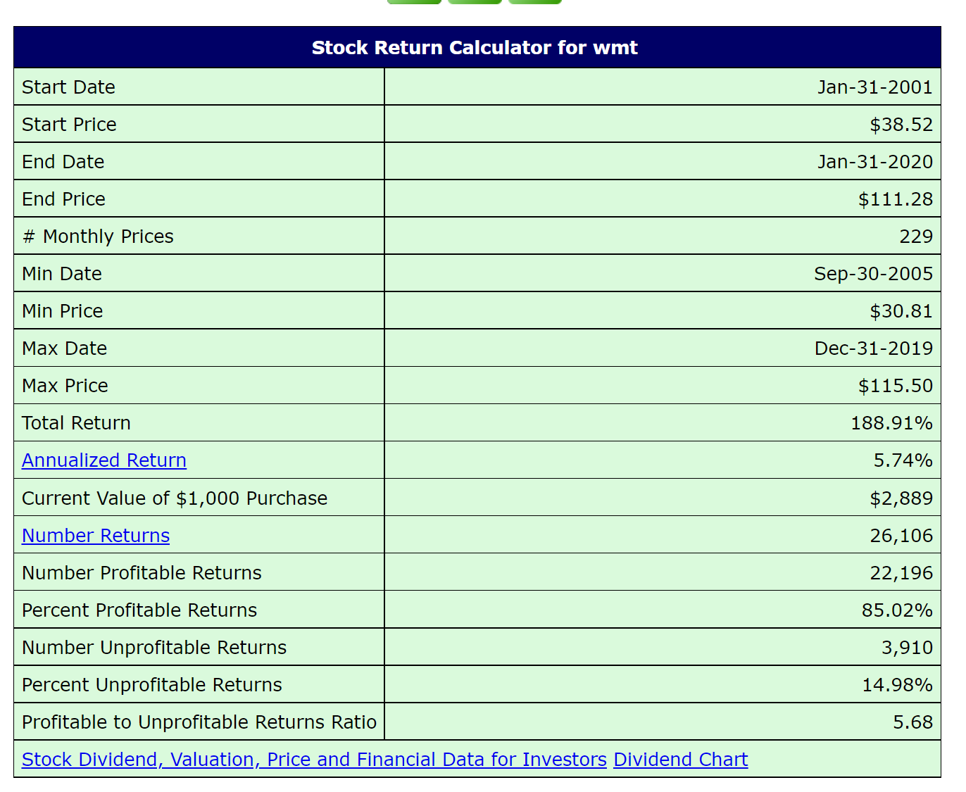
 | 45.25 | 45.5 | 44.3125 | 44.375 | 30.719912 | 4567400
Wal Mart Closing Share Price 12/1998 - 12/2019
 | Close
12/31/98 | 40.71875
1/4/99 | 40.3125
1/5/99 | 40.625
1/6/99 | 41.3125
1/7/99 | 42.0625
1/8/99 | 41.75
1/11/99 | 40.8125
1/12/99 | 40.1875
1/13/99 | 40.3125
1/14/99 | 39.875
1/15/99 | 40.0625
1/19/99 | 40.03125
1/20/99 | 40.125
1/21/99 | 39.53125
1/22/99 | 41
1/25/99 | 41
1/26/99 | 41.78125
1/27/99 | 42.59375
1/28/99 | 42.5625
1/29/99 | 43
2/1/99 | 42.25
2/2/99 | 41.8125
2/3/99 | 42.875
2/4/99 | 41.875
2/5/99 | 42.125
2/8/99 | 42.71875
2/9/99 | 41.0625
2/10/99 | 40.46875
2/11/99 | 42.90625
2/12/99 | 42.1875
2/16/99 | 43.78125
2/17/99 | 42.53125
2/18/99 | 42.6875
2/19/99 | 42.375
2/22/99 | 44.125
2/23/99 | 43.75
2/24/99 | 42.28125
2/25/99 | 42.5
2/26/99 | 43.0625
3/1/99 | 42.9375
3/2/99 | 42.71875
3/3/99 | 43.6875
3/4/99 | 44.6875
3/5/99 | 46.625
3/8/99 | 46.71875
3/9/99 | 47
3/10/99 | 46.78125
3/11/99 | 47.65625
3/12/99 | 48.1875
3/15/99 | 48.375
...
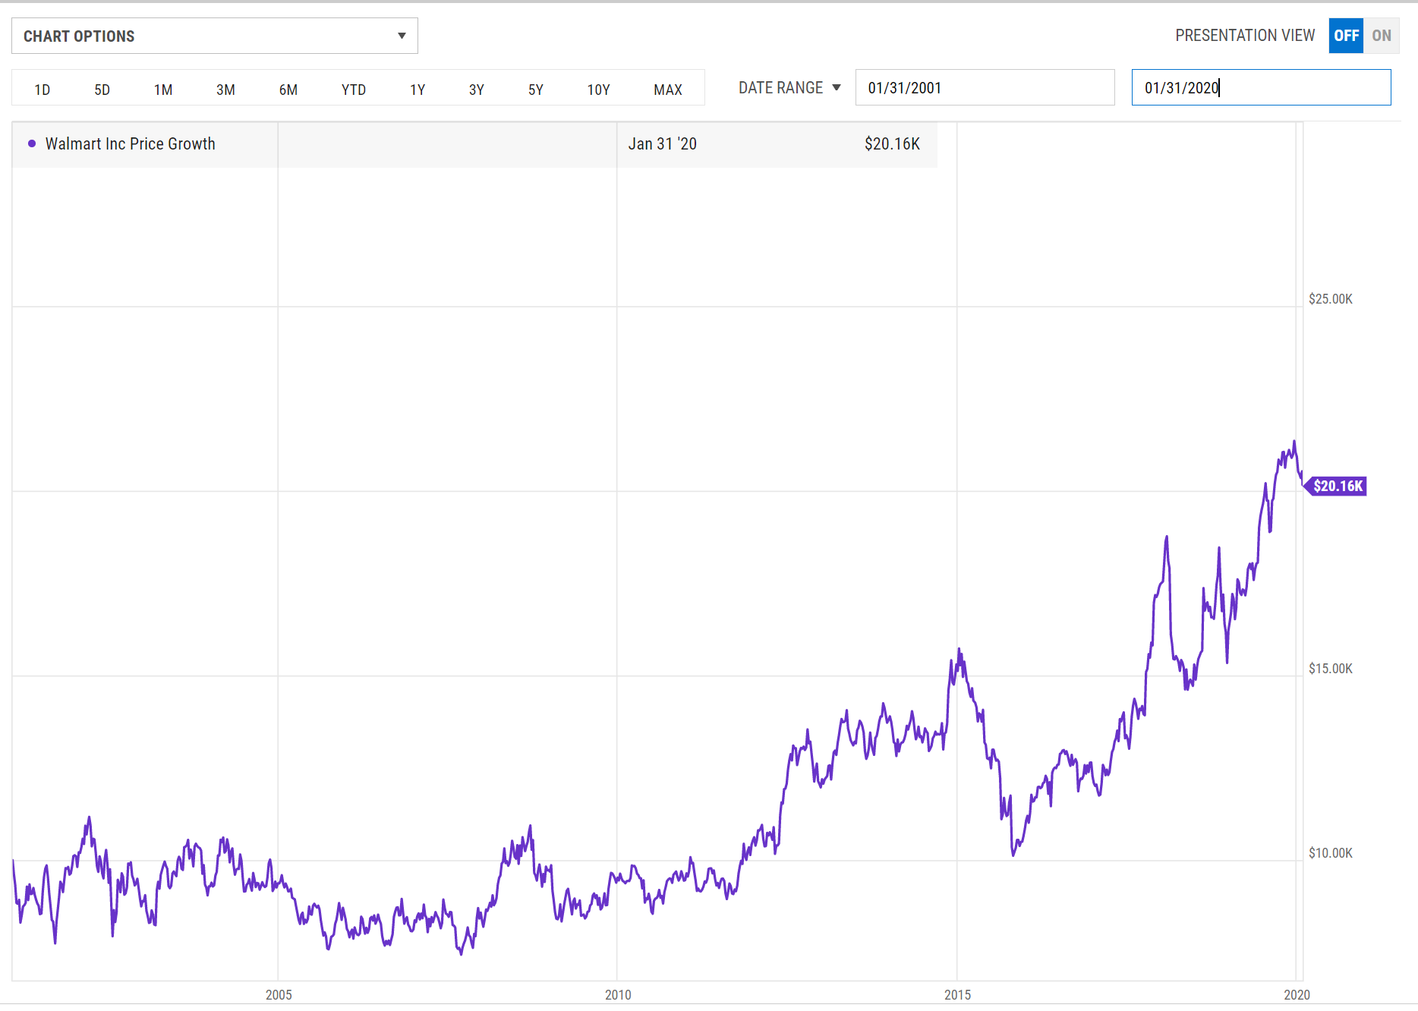
 | 44.375 | 44.6875 | 43.9375 | 44.125 | 30.546839 | 4532900
 | 43.75 | 43.875 | 42.625 | 43.125 | 29.854567 | 5244400
 | 43.125 | 43.75 | 42.375 | 42.6875 | 29.551678 | 4866500
 | 43 | 43.3125 | 42.8125 | 43.125 | 29.854567 | 4037400
 | 43.5 | 43.75 | 42.375 | 42.5 | 29.421871 | 6535800
 | 43.5625 | 44.5625 | 43.5 | 44.375 | 30.756084 | 5609200
 | 43.6875 | 44.5 | 43.5625 | 43.625 | 30.236273 | 5129600
 | 43.1875 | 43.75 | 42.8125 | 43.75 | 30.322912 | 10103500
 | 43.5 | 45.5 | 43.375 | 45.0625 | 31.232597 | 6274000
 | 45.1875 | 45.5 | 44.375 | 44.9375 | 31.145947 | 5067400
 | 45 | 45.0625 | 43.6875 | 44.375 | 30.756084 | 4479300
 | 43.625 | 43.875 | 42.6875 | 43.3125 | 30.019674 | 6128200
 | 43.75 | 44.25 | 43.375 | 43.4375 | 30.1063 | 3669300
 | 44 | 45.75 | 43.8125 | 45.5625 | 31.579134 | 5609200
 | 45.9375 | 46.875 | 45.5 | 46.8125 | 32.445492 | 5876200
 | 46.5625 | 48.5 | 45.375 | 48.25 | 33.441845 | 8998000
 | 47.9375 | 48.3125 | 46.9375 | 47.75 | 33.095295 | 6724400
 | 48.125 | 49.0625 | 47.9375 | 48.75 | 33.788372 | 4939000
 | 48.875 | 51 | 48.875 | 49.1875 | 34.091602 | 7154700
 | 50 | 50 | 47.9375 | 48 | 33.268543 | 6262800
 | 47 | 48.4375 | 46.25 | 47 | 32.57547 | 7890100
 | 47.4375 | 48 | 47.3125 | 47.9375 | 33.225239 | 4067200
 | 48.375 | 48.375 | 47.0625 | 47.4375 | 32.878677 | 3241100
 | 47.25 | 47.75 | 46.6875 | 47.5625 | 32.965332 | 4339100
 | 47.75 | 48 | 47.5 | 47.625 | 33.008652 | 3043100
 | 48.0625 | 48.3125 | 47.375 | 47.5 | 32.922009 | 3970000
 | 47.4375 | 48 | 47.25 | 48 | 33.268543 | 4077500
 | 48 | 48.5625 | 47.625 | 48.0625 | 33.311897 | 4332300
 | 48.125 | 48.25 | 46.5 | 46.875 | 32.488831 | 5639900
 | 46.6875 | 47 | 45.4375 | 45.4375 | 31.492495 | 5942400
 | 45.75 | 46.1875 | 44.375 | 45.1875 | 31.319237 | 5415300
 | 45.3125 | 45.9375 | 44.5625 | 44.9375 | 31.145947 | 3684500
 | 44.625 | 46.1875 | 44.5 | 45.625 | 31.622459 | 3914900
 | 45.8125 | 46 | 45 | 45.5625 | 31.579134 | 4335700
 | 45 | 45.3125 | 44.625 | 45.0625 | 31.232597 | 3725400
 | 44 | 44.4375 | 43 | 44 | 30.496178 | 6107600
 | 44.25 | 44.375 | 42.25 | 42.25 | 29.283258 | 6541500
 | 42.3125 | 43.5 | 42 | 42.375 | 29.369894 | 5580600
 | 42.5625 | 42.875 | 41.3125 | 41.9375 | 29.066671 | 5526100
 | 41.3125 | 41.4375 | 40.8125 | 40.9375 | 28.373575 | 6211200
 | 41.0625 | 41.375 | 38.875 | 41.375 | 28.676817 | 8057500
 | 40.875 | 42.0625 | 40.1875 | 41.25 | 28.590166 | 5416000
 | 41.0625 | 41.0625 | 40.0625 | 40.1875 | 27.853758 | 4658400
 | 40.75 | 43.4375 | 39.875 | 42.875 | 29.716444 | 11706800
 | 43.625 | 44.4375 | 43.3125 | 43.375 | 30.062994 | 8029000
...

